170631
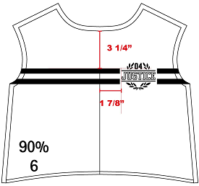
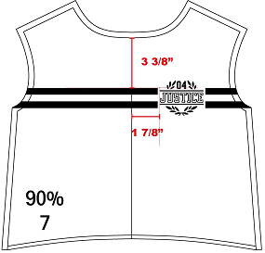
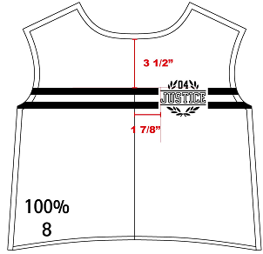
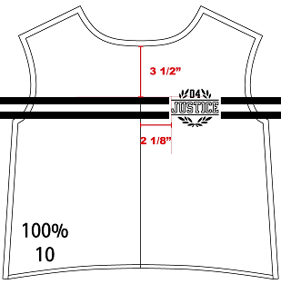
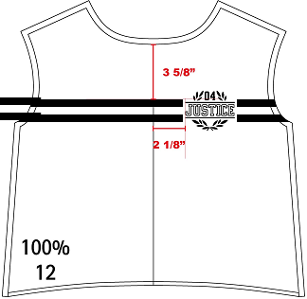
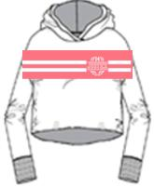
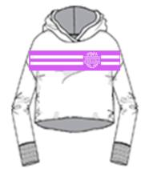
 |  | Selected Range : 6, 7, 8, 10, 12
 | AW combo |  | CAD AW | Dev sample |  | Colorrun sample | Costing |  | Given sz 10 |  | Remark
 |  |  |  | sent date: |  | sent date: | revised date: |  | revised date:
 |  |  | 100% | 100% |  | 100% | 100% |  | 100%

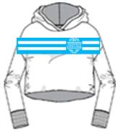
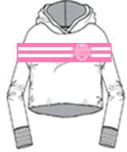
 | POM |  | Description |  | Tol(-) | Tol(+) | 6 | 7 | 8 | [10] | 12
 | MSC000
 | ART100 |  | Artwork Grading percentage |  | -0 | 0 | 90% | 90% | 100% | 100% | 100%
 |  |  | ARTWORK PLACEMENT FROM NECK SEAM |  | -1/4 | +1/4 | 3.25 | 3.375 | 3.5 | 3.5 | 3.625
 |  |  | ARTWORK EDGE FROM CF |  | -1/4 | +1/4 | 1.875 | 1.875 | 1.875 | 2.125 | 2.125

STYLE #170631, 170592, 170141, 170349 |  |  |  |  |  |  | TJX 2019-06-11 APPROVED
MODIFY
SIZE 6
SIZE 7
SIZE 8
SIZE 10
SIZE 12

